Sheet1
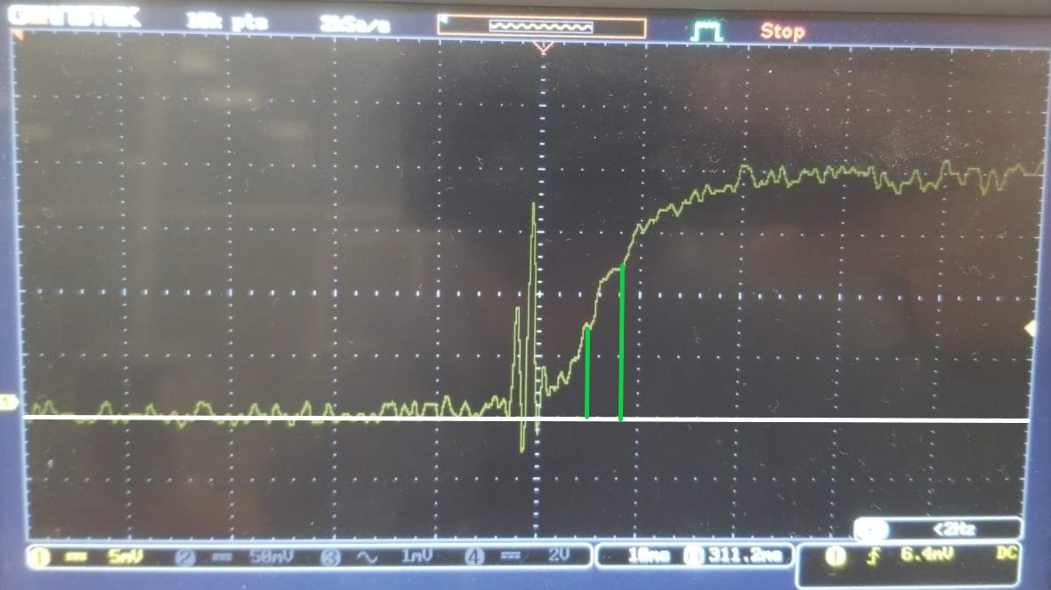
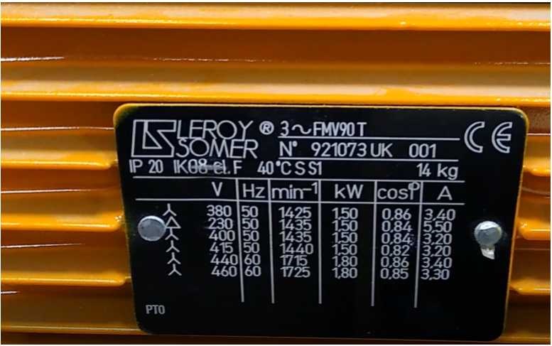
Us (V) | isa (t®¥) [A] | Rs [Ω] | isa(t2) [A] | isa(t1) [A] | t2 (s) | t1 (s) | disa [A] | dt [S] | disa/dt | s Ls | Ts (s) | Ls (H) | s
21.4 | 2 | 7.1333333333 | 1.25 | 0.75 | 0.04 | 0.025 | 0.5 | 0.015 | 33.333333333 | 0.642 | 0.068052259402 | 0.4854394504 | 1.3225130332

